Sheet1
IMAGE | SKU | PRODUCT NAME | Total | S / 3 | M / 4 | L / 5 | XL / 6 | XXL / 7
 | XH950700001 | Men's Lacoste Sport Cotton Fleece Tennis Sweatpants White | 78 | 12 | 20 | 20 | 16 | 10
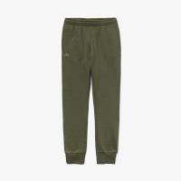 | XH9507005AT | Men's Lacoste Sport Cotton Fleece Tennis Sweatpants Khaki Green | 36 | 5 | 9 | 11 | 6 | 5
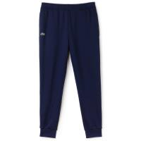 | XH9507-00-166 | Lacoste Men's Essential Navy Drawstring Jogging Bottoms | 36 | 6 | 10 | 10 | 6 | 4
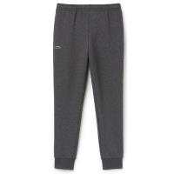 | XH9507-00-050 | Lacoste Men's Essential Charcoal Drawstring Jogging Bottoms | 4 |  | 4
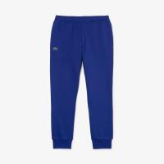 | XH950700SP2 | Men's Lacoste Sport Cotton Fleece Tennis Sweatpants Navy Blue | 36 | 12 | 10 | 7 | 6 | 1
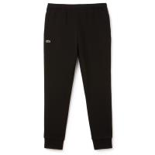 | XH9507-00-031 | Lacoste Men's Essential Black Drawstring Jogging Bottoms | 40 | 10 | 9 | 12 | 7 | 2
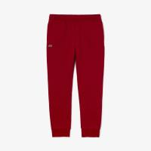 | XH950700476 | Men's Lacoste Sport Cotton Fleece Tennis Sweatpants Bordeaux | 34 | 4 | 10 | 8 | 6 | 6
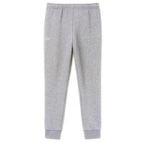 | XH9507-00-CCA | Lacoste Men's Essential Drawstring Grey Jogging Bottoms | 32 | 5 | 7 | 8 | 6 | 6
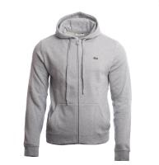 | SH2133-00-Y5J | Lacoste Men's Classic Grey Overwear Zip Hoodie | 224 | 1 | 21 |  | 36 | 166
 |  |  | 520 | 55 | 100 | 76 | 89 | 200

